Table 20
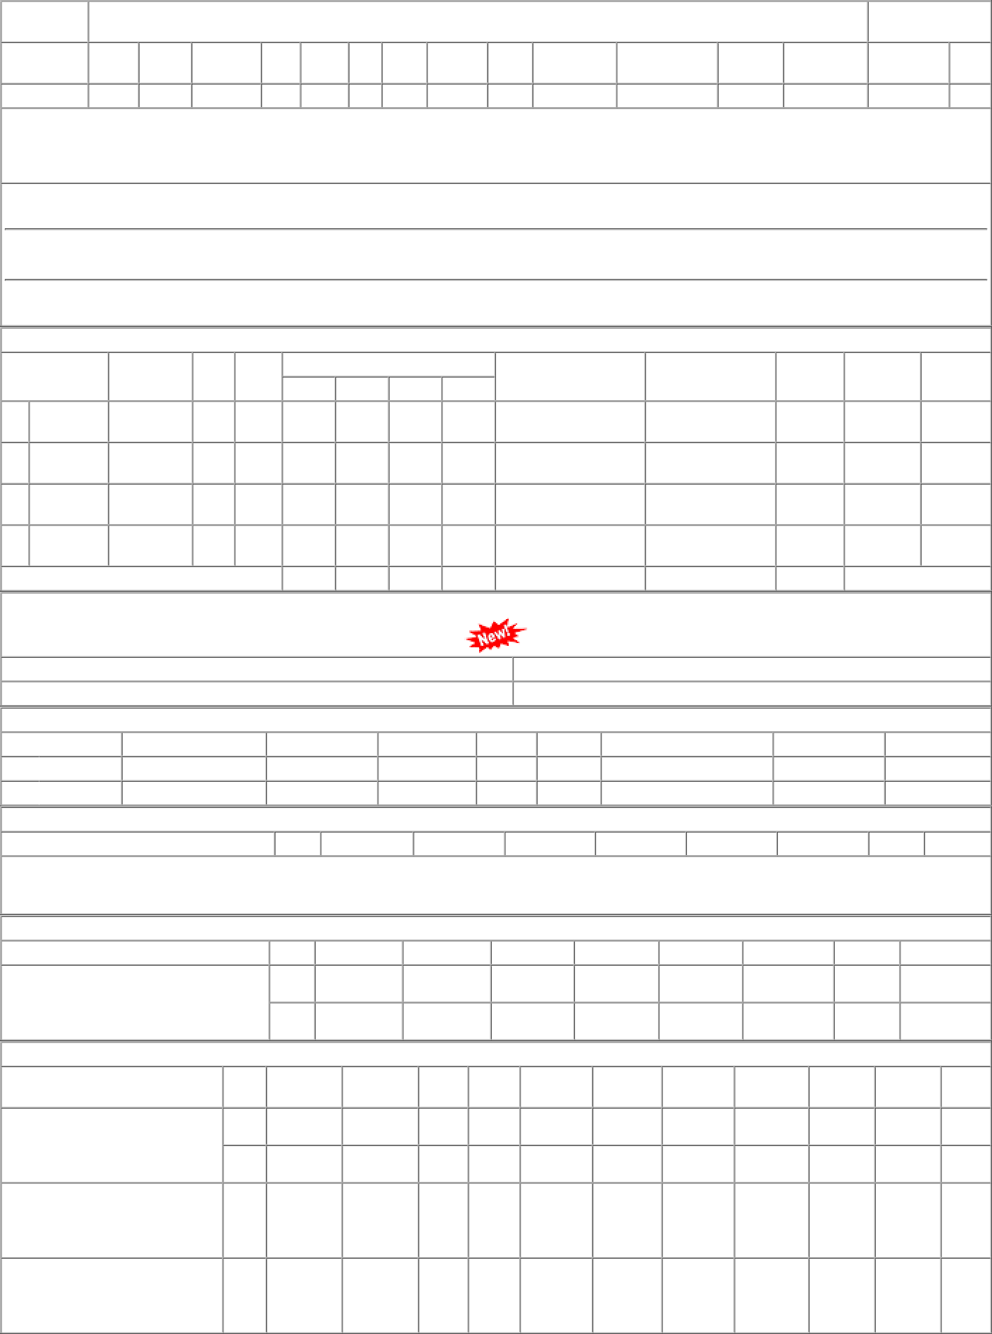
P.O.No.03222836106074 dt.04/12/22 on M/s.MITTAL ASSOCIATES-DELHI PO-CAT:[ Reg ] P.O.No.52221102100419 dt.16/03/22 on M/s.STAR WELDING COMPANY- HOWRAH PO-CAT:[ Reg ] P.O.No.57221020100058 dt.12/02/22 on M/s.K S SOLUTION-HOOGHLY PO- CAT:[ Reg ] | 001 002 001 001 | PL-CR BVPW PL-CR EMU-MX | 181.72 181.72 225.38 206.50 | 420 Nos. 0 145 Nos. 0 300 Nos. 0 50 Nos. 0 | 0 0 0 0 0 300 0 50 | 30/04/23 30/04/23 28/04/22 14/03/22 | 01/04/23 30/04/23 OP 01/04/23 30/04/23 OP 28/04/22 OP 14/03/22 OP

